采购清单
Parts | Thumbnail | Size | Num | Address | Backup address(need to be modified)
Type-C Mag Port | 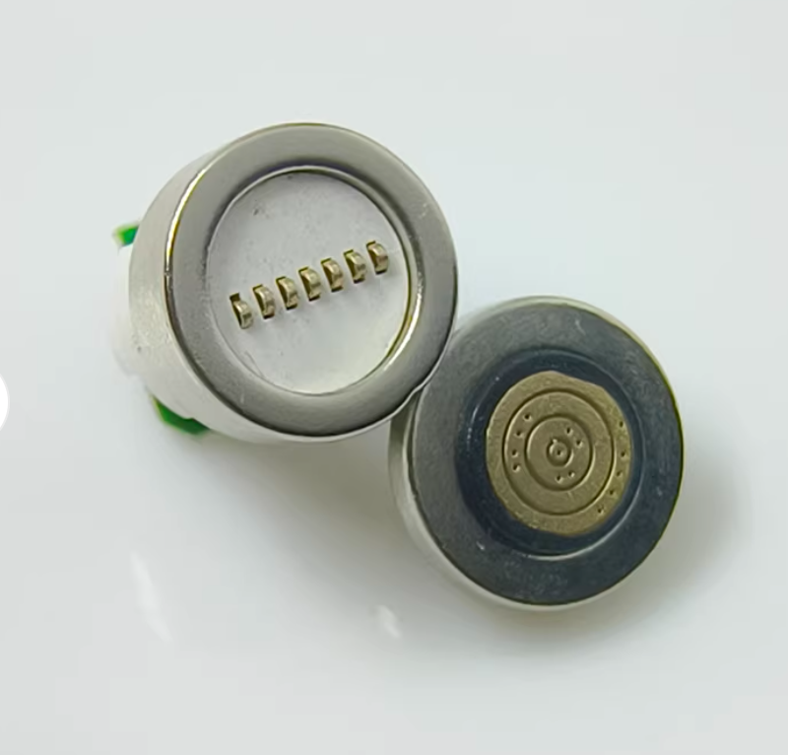 | \ | 1 | https://item.taobao.com/item.htm?id=822883436410&mi_id=000088CYq6CPd4okYjOt-rsRzlETyjOpLpJyaI6QyLHPC5c&spm=tbpc.boughtlist.suborder_itemtitle.1.71412e8dxOxAtz | https://www.aliexpress.com/item/1005008756185170.html?spm=a2g0o.productlist.main.55.4ae7VtHWVtHWdQ&algo_pvid=6818ee23-eb9d-43d6-88e2-4bc9889f57d7&algo_exp_id=6818ee23-eb9d-43d6-88e2-4bc9889f57d7-52&pdp_ext_f=%7B%22order%22%3A%221531%22%2C%22eval%22%3A%221%22%2C%22fromPage%22%3A%22search%22%7D&pdp_npi=6%40dis%21USD%2115.99%210.99%21%21%21110.41%216.79%21%402101ea8c17696865818047415e0f9a%2112000046558664902%21sea%21US%210%21ABX%211%210%21n_tag%3A-29910%3Bd%3A6520ff7e%3Bm03_new_user%3A-29895%3BpisId%3A5000000198352208&curPageLogUid=JZhh9M8M9Dnp&utparam-url=scene%3Asearch%7Cquery_from%3A%7Cx_object_id%3A1005008756185170%7C_p_origin_prod%3A&gatewayAdapt=4itemAdapt
1213 Motor | 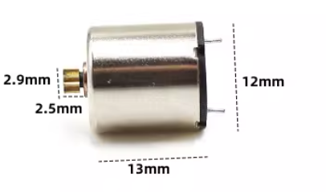 | 12mm x 13mm | 2 | https://item.taobao.com/item.htm?id=830286546842&mi_id=0000WlKg7toiCwCzISvnewFuI6Z2QHoHci2TM56zR3WNGyI&spm=tbpc.boughtlist.suborder_itemtitle.1.71412e8dxOxAtz&skuId=5736162707607 | https://www.aliexpress.com/item/1005008874409410.html?spm=a2g0o.productlist.main.4.3a4daavPaavPY0&aem_p4p_detail=202601290403081745573592205930000011272&algo_pvid=fdb5eb7a-2aca-4c0f-9270-610f2253e3de&algo_exp_id=fdb5eb7a-2aca-4c0f-9270-610f2253e3de-3&pdp_ext_f=%7B%22order%22%3A%22-1%22%2C%22eval%22%3A%221%22%2C%22fromPage%22%3A%22search%22%7D&pdp_npi=6%40dis%21USD%216.02%214.82%21%21%216.02%214.82%21%402141131717696881885566576e6d23%2112000047042196589%21sea%21US%210%21ABX%211%210%21n_tag%3A-29910%3Bd%3A6520ff7e%3Bm03_new_user%3A-29895&curPageLogUid=C17Up4gfRs19&utparam-url=scene%3Asearch%7Cquery_from%3A%7Cx_object_id%3A1005008874409410%7C_p_origin_prod%3A&search_p4p_id=202601290403081745573592205930000011272_1&gatewayAdapt=4itemAdapt
DRV8833 | 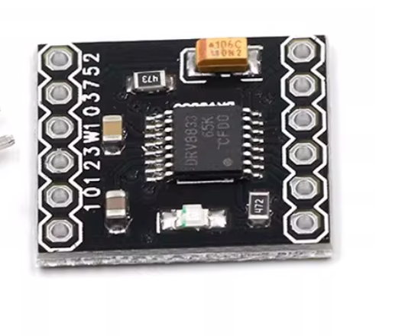 | 16mm x 18mm | 1 | https://item.taobao.com/item.htm?id=693387038530&mi_id=0000CvtZKAsBAEOuTA-35Z9mFXfOuaXtZIlLK68W31togT4&skuId=5483362047362&spm=tbpc.boughtlist.suborder_itemtitle.1.71412e8dxOxAtz | https://www.aliexpress.com/item/1005008721616363.html?spm=a2g0o.productlist.main.1.7c7427862B0D0p&algo_pvid=009ecff6-ba61-4f7b-ad5b-d9cd822db5ac&algo_exp_id=009ecff6-ba61-4f7b-ad5b-d9cd822db5ac-0&pdp_ext_f=%7B%22order%22%3A%2222%22%2C%22eval%22%3A%221%22%2C%22fromPage%22%3A%22search%22%7D&pdp_npi=6%40dis%21USD%2127.77%217.17%21%21%21191.76%2149.47%21%400b1bf20a17696887250238401e32e0%2112000046390960530%21sea%21US%210%21ABX%211%210%21n_tag%3A-29910%3Bd%3A6520ff7e%3Bm03_new_user%3A-29895%3BpisId%3A5000000197847450&curPageLogUid=lkfuWf6RYsCF&utparam-url=scene%3Asearch%7Cquery_from%3A%7Cx_object_id%3A1005008721616363%7C_p_origin_prod%3A&gatewayAdapt=4itemAdapt
Micro USB Camera | 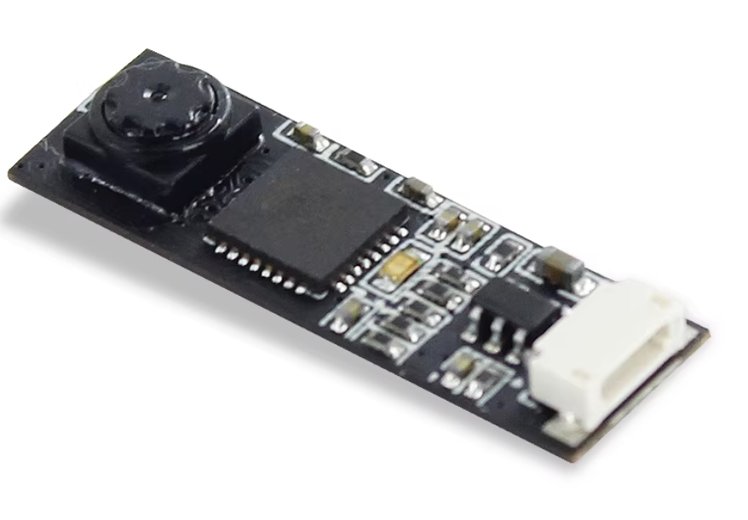 | 25mm x 8mm | 1 | https://item.taobao.com/item.htm?id=669691519167&mi_id=0000avT_2YvsYBLghyoGTENwH9PA3dNYB_C3VeekQ8q4m-4&skuId=5808947046059&spm=tbpc.boughtlist.suborder_itemtitle.1.71412e8dxOxAtz | https://www.aliexpress.com/item/1005005234513552.html?spm=a2g0o.productlist.main.7.745356e32Mv3dT&algo_pvid=4cf593d6-5e05-4ce7-b2b7-ca987a905fcf&algo_exp_id=4cf593d6-5e05-4ce7-b2b7-ca987a905fcf-6&pdp_ext_f=%7B%22order%22%3A%2217%22%2C%22eval%22%3A%221%22%2C%22fromPage%22%3A%22search%22%7D&pdp_npi=6%40dis%21USD%2151.85%2151.85%21%21%2151.85%2151.85%21%400b1bf20a17696888212292098e32e0%2112000032306597952%21sea%21US%210%21ABX%211%210%21n_tag%3A-29910%3Bd%3A6520ff7e%3Bm03_new_user%3A-29895&curPageLogUid=BJ3uDiPJLJKq&utparam-url=scene%3Asearch%7Cquery_from%3A%7Cx_object_id%3A1005005234513552%7C_p_origin_prod%3A&gatewayAdapt=4itemAdapt
TypeC Female Connector | 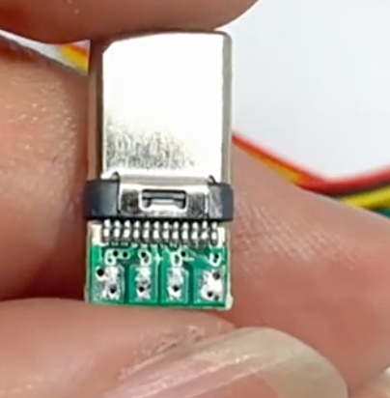 | \ | 1 | https://item.taobao.com/item.htm?id=765486260062&mi_id=0000AfDCj6qiycdE_4aBJpWnVRI3BCZ-wYZ654QSpEfutjQ&skuId=5433758382278&spm=tbpc.boughtlist.suborder_itemtitle.1.71412e8dxOxAtz | https://www.aliexpress.com/item/1005010519887625.html?spm=a2g0o.detail.pcDetailTopMoreOtherSeller.5.1880OWpQOWpQkX&gps-id=pcDetailTopMoreOtherSeller&scm=1007.40050.354490.0&scm_id=1007.40050.354490.0&scm-url=1007.40050.354490.0&pvid=399edb87-9657-4a3b-bf5c-811f16c16664&_t=gps-id%3ApcDetailTopMoreOtherSeller%2Cscm-url%3A1007.40050.354490.0%2Cpvid%3A399edb87-9657-4a3b-bf5c-811f16c16664%2Ctpp_buckets%3A668%232846%238113%231998&pdp_ext_f=%7B%22order%22%3A%2218%22%2C%22eval%22%3A%221%22%2C%22sceneId%22%3A%2230050%22%2C%22fromPage%22%3A%22recommend%22%7D&pdp_npi=6%40dis%21USD%217.44%212.22%21%21%2151.40%2115.34%21%402101529317696889924202756e4405%2112000052677568836%21rec%21US%21%21ABXZ%211%210%21n_tag%3A-29910%3Bd%3A6520ff7e%3Bm03_new_user%3A-29895%3BpisId%3A5000000197847434&utparam-url=scene%3ApcDetailTopMoreOtherSeller%7Cquery_from%3A%7Cx_object_id%3A1005010519887625%7C_p_origin_prod%3A&gatewayAdapt=4itemAdapt
TypeC Male Connector | 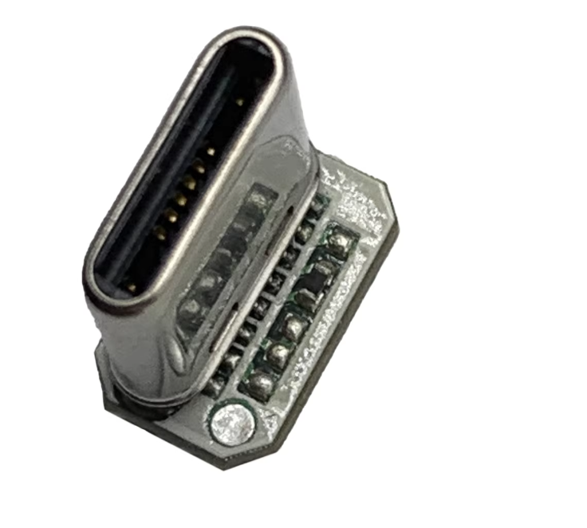 | \ | 1 | https://item.taobao.com/item.htm?id=926645895530&mi_id=0000A48qvvWeL7_h3xutqPzEROEWdG9eUT_HatUlE96D38U&spm=tbpc.boughtlist.suborder_itemtitle.1.71412e8dxOxAtz | https://www.aliexpress.com/item/1005009449424308.html?spm=a2g0o.productlist.seoads.5.71c57fe6C4FUiU&p4p_pvid=202601290415435350613711717230000016074_3
40AWG UL10064 PTFE Wires | 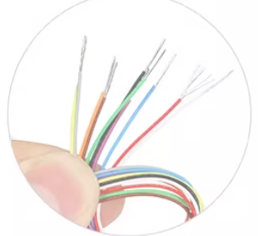 | 5Meters | More color | 10 | https://detail.tmall.com/item.htm?id=792426730049&mi_id=0000zhSgyjTHM9E0lAE5tc48ULFDcPLhiD_AsxE_nSELJxE&spm=tbpc.boughtlist.suborder_itemtitle.1.71412e8dxOxAtz | https://www.aliexpress.com/item/1005007581937672.html?spm=a2g0o.productlist.main.2.6fb52ccb1RAPGF&algo_pvid=5b81a2f3-3c61-4f5b-9b86-41fe47ef6c8d&algo_exp_id=5b81a2f3-3c61-4f5b-9b86-41fe47ef6c8d-1&pdp_ext_f=%7B%22order%22%3A%2293%22%2C%22eval%22%3A%221%22%2C%22fromPage%22%3A%22search%22%7D&pdp_npi=6%40dis%21USD%213.35%210.99%21%21%213.35%210.99%21%400b1bf20817696892424217760eaad8%2112000041382532522%21sea%21US%210%21ABX%211%210%21n_tag%3A-29910%3Bd%3A6520ff7e%3Bm03_new_user%3A-29895%3BpisId%3A5000000198352206&curPageLogUid=xWxnJuPS7Fcc&utparam-url=scene%3Asearch%7Cquery_from%3A%7Cx_object_id%3A1005007581937672%7C_p_origin_prod%3A&gatewayAdapt=4itemAdapt
STM32F10x Core Board | 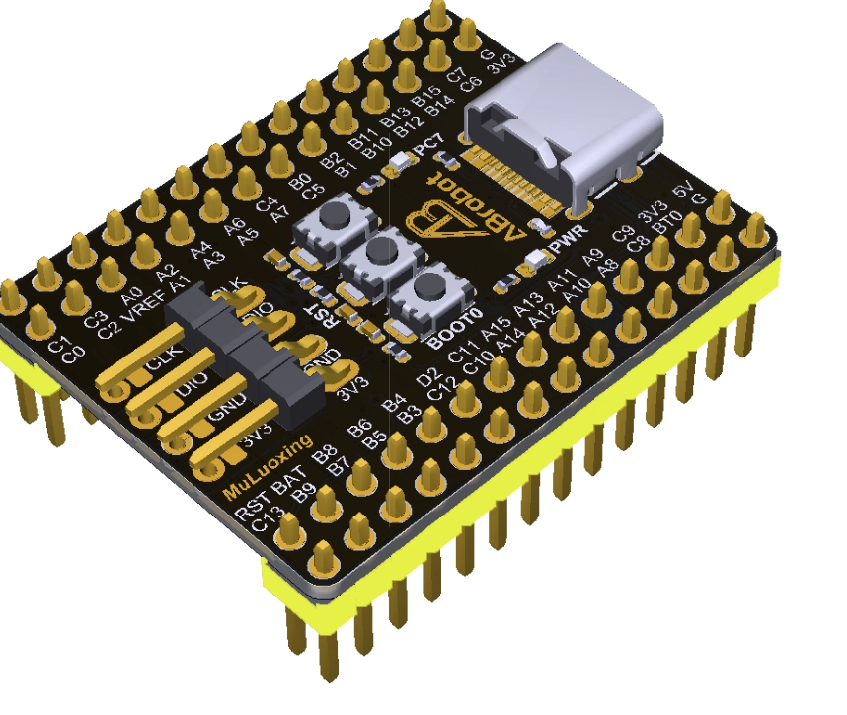 | CH340 | 1 | https://item.taobao.com/item.htm?id=752304094109&mi_id=0000Zq-A-i53NBVOfkszpIlWFZwIlsSzkW73rUHfLQLzd-8&spm=tbpc.boughtlist.suborder_itemtitle.1.71412e8dxOxAtz | \
ICM-206xx Board | 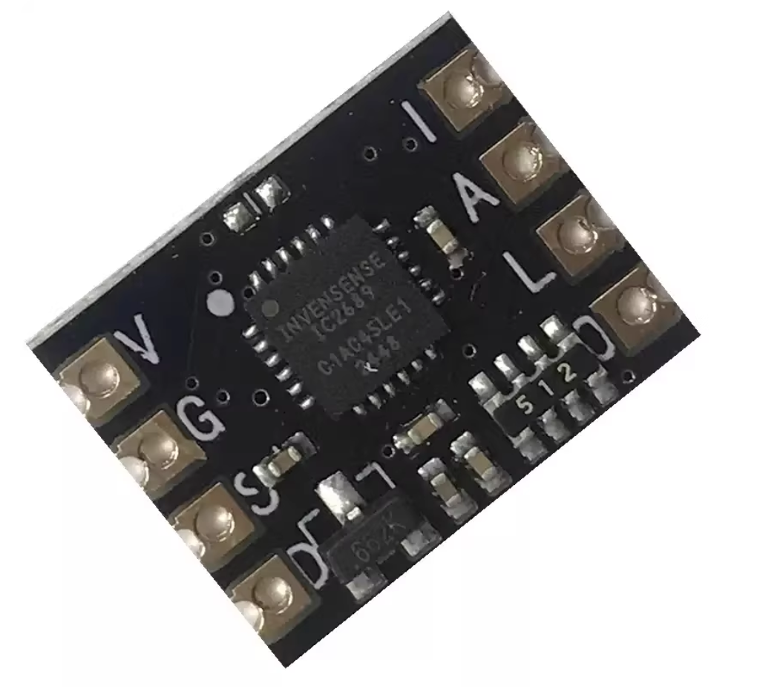 | 11mm x 14mm | 1 | https://item.taobao.com/item.htm?id=942060509111&mi_id=0000V3i_uJpuz6Y58a5VMGA8ZgliEvVgSoULbEYCAeUFYNA&spm=tbpc.boughtlist.suborder_itemtitle.1.71412e8dxOxAtz | \
GD32F405RE | 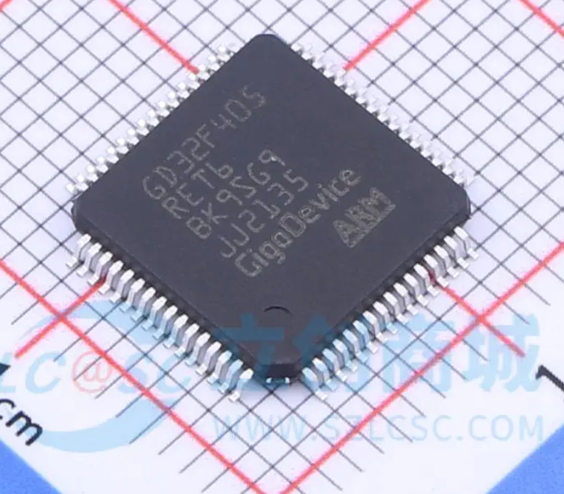 | \ | 1 | https://item.szlcsc.com/3174958.html?fromZone=s_s__%2522gd32f405re%2522&spm=sc.gbn.xh1.zy.n&lcsc_vid=FVQKBgAHFVReBFcCRFEPAlYCFQMKXgZWQwVWVQUHTwUxVlNQTldXVlFeQVFXUTsOAxUeFF5JWBIBSRccGwIdBEoFGAxBAAgJFQACSQwSGg0%3D | \

